3. Salary Survey
This Salary Survey is for California Offices only. Replace all sample data with your company data. List each employee separately. List employees in any order that is convenient for you (by office, by job, …). Use only the provided Survey Job and Survey Grades. Scroll right to see Description of Grades.

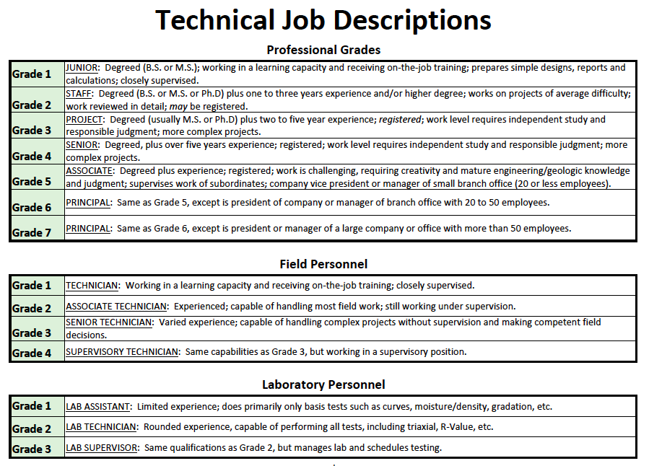
EMPLOYEE NO. (NOT SSN) | SURVEY JOB CHOICES Engineer Geologist Soils Field Tech Soils Lab Tech Other Special Inspector Env Engineer Env Scientist/IH Env Tech Drafting/CAD/GIS | SURVEY GRADE See Grades -> | OFFICE CITY | OFFICE ZIPCODE | CALGEO LOCATION ZONE (1,2,3 or 4) | YEARLY SALARY IF 'EXEMPT' | HOURLY RATE IF 'NON-EXEMPT' | YEARLY BONUS | MONTHLY VEHICLE ALLOWANCE | PE or PG | GE or CEG | Technician ICC Soils Cert | Other Technician Cert (i.e. NICET, ICC Concrete, …) | Company Vehicle | Company Phone | Credit Card | Flex Time | Medical/Dental/Vision | Retirement/401(k) | Profit Sharing | Stock Ownership | ESOP | Scroll Down to See All Grade Choices
1 (or ID) | Engineer | 7 | Los Angeles | 90501 | 2 | $100,000.00 |  | $25,000 | $500 | X | X |  |  |  | X | X |  | X | X | X | X
2 (or ID) | Engineer | 3 | Orange | 92866 | 2 |  | $35.00 | $2,000 |  | X |  |  |  |  | X |  |  | X |  | X
3 (or ID) | Geologist | 1 | Orange | 92866 | 2 |  | $22.00 | $1,000 |  |  |  |  |  |  |  |  |  | X |  | X
4 (or ID) | Geologist | 4 | Orange | 92866 | 2 | $60,000.00 |  | $1,000 |  | X |  |  |  |  | X |  |  | X |  | X
5 (or ID) | Env Engineer | 4 | Orange | 92866 | 2 | $60,000.00 |  | $2,000 | $500 | X |  |  |  |  | X |  |  | X |  | X
6 (or ID) | Soils Field Tech | 2 | Los Angeles | 90501 | 2 |  | $18.00 | $250 |  |  |  | X |  | X
7 (or ID) | Soils Field Tech | 4 | Los Angeles | 90501 | 2 |  | $19.50 | $750 |  |  |  | X |  |  |  |  |  | X |  | X
8 (or ID) | Soils Lab Tech | 1 | Los Angeles | 90501 | 2 |  | $15.00 | $500 |  |  |  |  | X |  | X
9 (or ID) | Soils Lab Tech | 3 | Orange | 92866 | 2 |  | $20.00 | $500 |  |  |  |  |  | X | X
10 (or ID) | Other Special Inspector | 3 | Los Angeles | 90501 | 2 |  | $20.00 |  |  |  |  |  |  |  |  |  |  | X |  | X
11 (or ID) | Other Special Inspector | 2 | Los Angeles | 90501 | 2 |  | $20.00 |  |  |  |  |  |  |  |  |  |  | X |  | X
12 (or ID) | Other Special Inspector | 3 | San Diego | 90501 | 3 |  | $20.00 |  |  |  |  |  |  |  |  |  |  | X |  | X
13 (or ID)
14 (or ID)
15 (or ID)
16 (or ID)
17 (or ID)
18 (or ID)
19 (or ID)
20 (or ID)
21 (or ID)
22 (or ID)
23 (or ID)
24 (or ID)
25 (or ID)
26 (or ID)
27 (or ID)
28 (or ID)
29 (or ID)
30 (or ID)
31 (or ID)
32 (or ID)
33 (or ID)
34 (or ID)
35 (or ID)
36 (or ID)
37 (or ID)
38 (or ID)
39 (or ID)
40 (or ID)
41 (or ID)
42 (or ID)
43 (or ID)
44 (or ID)
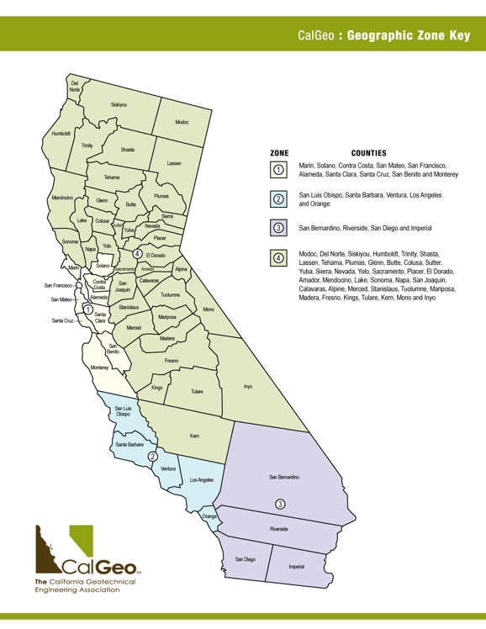
45 (or ID)
46 (or ID)
47 (or ID)
48 (or ID)
49 (or ID)
50 (or ID)
51 (or ID)
52 (or ID)
53 (or ID)
54 (or ID)
55 (or ID)
56 (or ID)
57 (or ID)
58 (or ID)
59 (or ID)
60 (or ID)
61 (or ID)
62 (or ID)
63 (or ID)
64 (or ID)
65 (or ID)
66 (or ID)
67 (or ID)
68 (or ID)
69 (or ID)
70 (or ID)
71 (or ID)
72 (or ID)
73 (or ID)
74 (or ID)
75 (or ID)
Insert Rows as necessary

Page 3 of 4
 |  |  |  |  |  | ***Use tabs below to navigate to Administrative Salary Survey***

4. Administrative Salary Survey
This Salary Survey is for California Offices only. Replace all sample data with your company data. List each employee separately. List employees in any order that is convenient for you (by office, by job, …). Use only the provided Survey Job and Survey Grades. Scroll right to see Description of Survey Jobs.

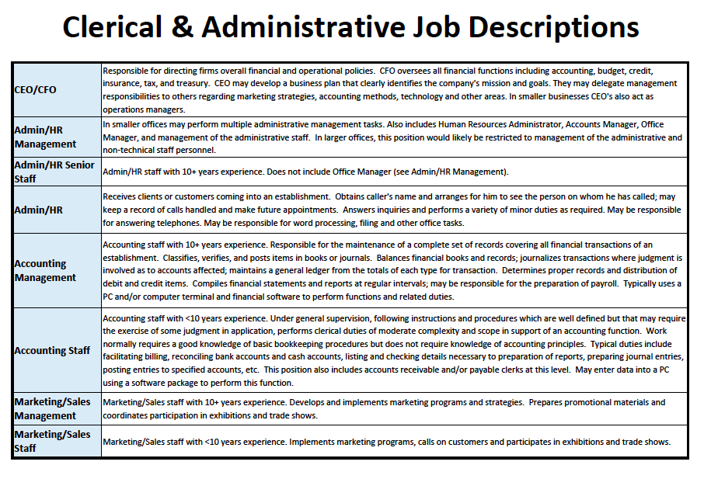
EMPLOYEE NO. (NOT SSN) | SURVEY JOB CHOICES Receptionist Admin/HR Staff Admin/HR Manager Accounting Staff Accounting Manager Marketing/Sales Staff Marketing/Sales Manager CEO/CFO | BLANK | OFFICE CITY | OFFICE ZIPCODE | CALGEO LOCATION ZONE (1,2,3 or 4) | YEARLY SALARY IF 'EXEMPT' | HOURLY RATE IF 'NON-EXEMPT' | YEARLY BONUS | MONTHLY VEHICLE ALLOWANCE | Blank | Blank | Blank | Blank | Company Vehicle | Company Phone | Credit Card | Flex Time | Medical/Dental/Vision | Retirement/401(k) | Profit Sharing | Stock Ownership | ESOP | Scroll Down to See All Choices
1 (or ID) | Admin/HR Staff |  | Los Angeles | 90501 |  |  | $16.00 | $500 |  |  |  |  |  |  |  | X |  | X | X | X
2 (or ID) | Accounting Staff |  | Orange | 92866 |  |  | $15.00 | $500 |  |  |  |  |  |  |  |  |  | X | X
3 (or ID) | Marketing/Sales Manager |  | Orange | 92866 |  | $90,000.00 |  | $3,500 |  |  |  |  |  |  |  |  |  | X | X | X
4 (or ID) | CEO/CFO |  | Orange | 92866 |  | $95,000.00 |  | $10,000 |  |  |  |  |  |  | X |  |  | X | X | X
5 (or ID)
6 (or ID)
7 (or ID)
8 (or ID)
9 (or ID)
10 (or ID)
11 (or ID)
12 (or ID)
13 (or ID)
14 (or ID)
15 (or ID)
16 (or ID)
17 (or ID)
18 (or ID)
19 (or ID)
20 (or ID)
21 (or ID)
22 (or ID)
23 (or ID)
24 (or ID)
25 (or ID)
26 (or ID)
27 (or ID)
28 (or ID)
29 (or ID)
30 (or ID)
31 (or ID)
32 (or ID)
33 (or ID)
34 (or ID)
35 (or ID)
36 (or ID)
37 (or ID)
38 (or ID)
39 (or ID)
40 (or ID)
41 (or ID)
42 (or ID)
43 (or ID)
44 (or ID)
45 (or ID)
46 (or ID)
47 (or ID)
48 (or ID)
49 (or ID)
50 (or ID)
51 (or ID)
52 (or ID)
53 (or ID)
54 (or ID)
55 (or ID)
56 (or ID)
57 (or ID)
58 (or ID)
59 (or ID)
60 (or ID)
61 (or ID)
62 (or ID)
63 (or ID)
64 (or ID)
65 (or ID)
66 (or ID)
67 (or ID)
68 (or ID)
69 (or ID)
70 (or ID)
71 (or ID)
72 (or ID)
73 (or ID)
74 (or ID)
75 (or ID)
Insert Rows as necessary

Page 4 of 4
Salary Survey Complete. Thank you!

